Name
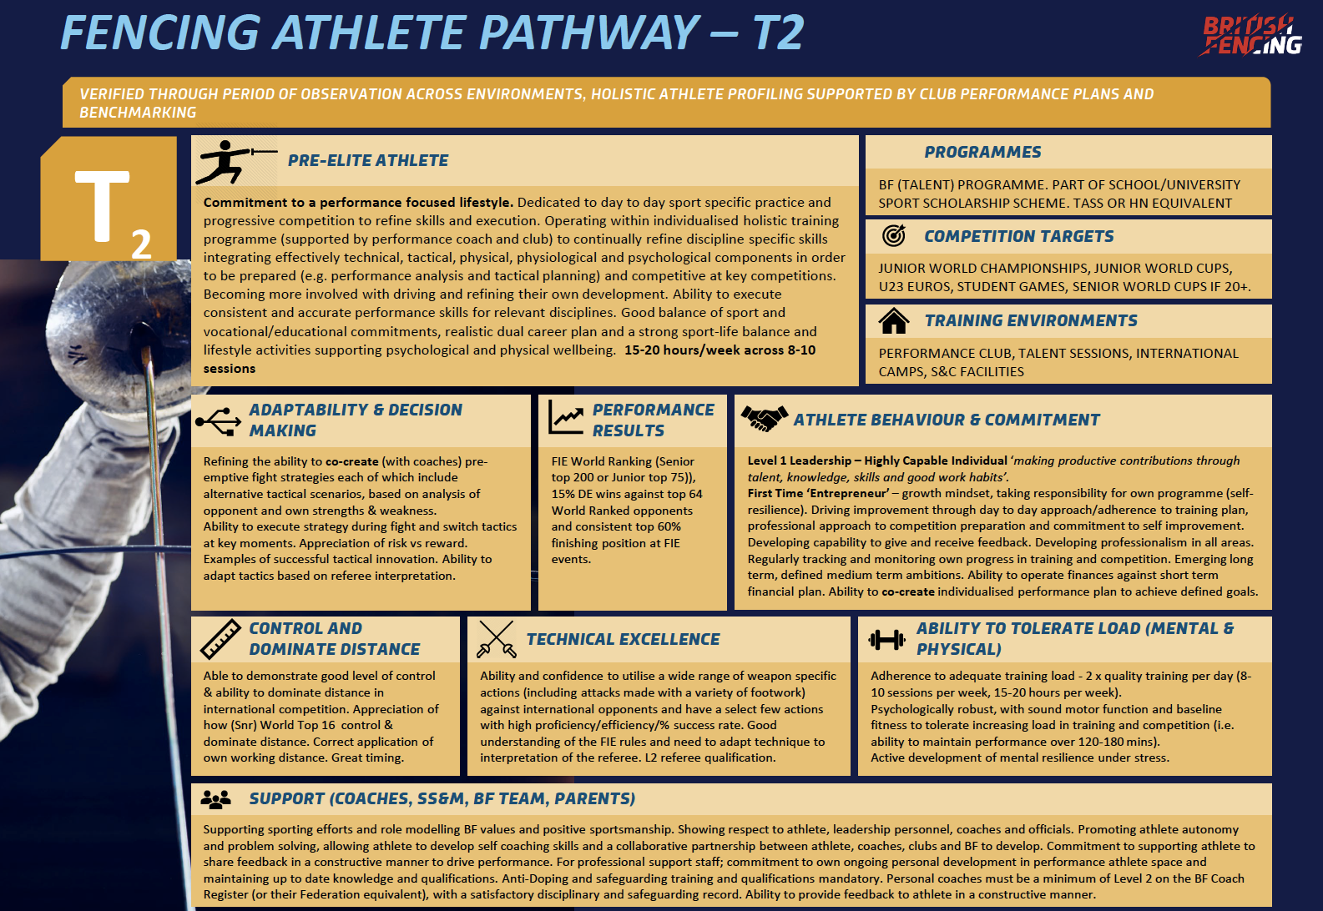
Name | Completing Stage 1 - Performance Trajectory Please complete each competition section for seasons 2018/2019, 2019/20, 2020/21 Two key figures: 1. Your finish position 2. The number of comeptitors in the competition Use the data to complete the overview section (Yellow) | Completing Stage 2 - Commitment - Pre-Elite (T3) Assessment Use the table to the right, to rate yourself against the statement from the BF Pathway Standard (T3) and then provide the evidence and examples to evidence your rating
Weapon
DoB

