1. Pathway Self Assessment T3
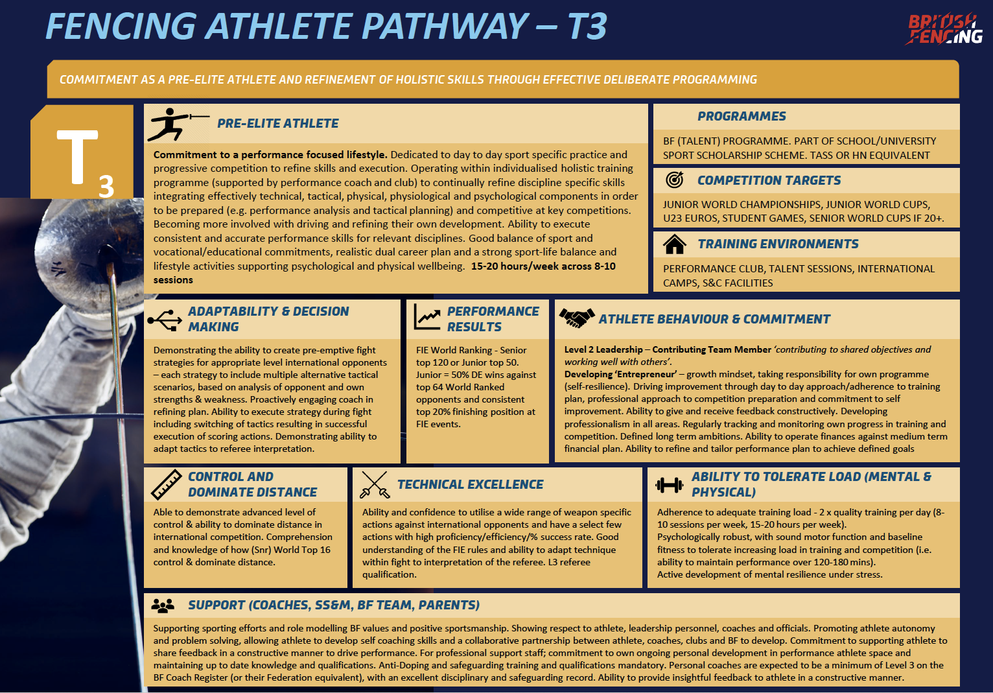
Instructions: | Use the colour code key to mark where you think your current level stands. You may score yourself using the colour codes (Red 1, Orange 2, Green 3, Blue 4) found at the bottom of the table. As a guide, it is helpful to use the Performance results and the Competition Targets in the Pathway Stage information below the table. Make sure to fill in the Focus area/actions/goal collum with helpful comments that might help you with goal setting.

Name |  | Ranking | J: S: | Performance & Stage | T3 | Avergae % Finish result from last season
What is my vision? What motivates me?

Pathway Components | Current Assessment |  |  |  |  | Focus Area/Actions/Goal | Current Score 1-4
Technical Excellence | Confidence utilise a wide range of defensive blade actions against international opponents | Confidence to utilise a wide range of offensive blade actions against international opponents | A select few actions with high proficiency and % success rate. | Ability to utilise a wide range of movement patterns against opponents | Ability to adapt technique during fight to interpretation of the referee.
Adaptability & Decision Making | pre-emptive fight strategies to beat every athlete at current level, refined with coach input. | A strategy including multiple alternative tactical scenarios, | Multiple strategies , based on analysis of opponent and own strengths & weakness | Ability to execute strategy during fight, early switching of tactics resulting in successful execution of scoring actions | Ability to adapt tactics in-fight to referee interpretation.
Control and Dominate Distance | Comprehension and knowledge of how (Snr) World Top 16 control & dominate distance. | Consistently able to analyse and apply control of distance | Consistently able to analyse and apply control of distance under pressure | Consistently able to effectively execute a successful action at the right time (Tempo) | Consistently able to effectively execute a successful action at the right time (Tempo) under pressure
Ability to Tolerate Load | Adherence to adequate training load - 2 x quality training per day (8-10 sessions per week, 15-20 hours per week | Psychologically robust, with sound motor function | Active development of mental resilience under stress. | Baseline fitness to tolerate increasing load in training | Baseline fitness to tolerate increasing load in competition
Behaviour and Commitment | Work Ethic - Driving excellence through day to day approach to training plan, | Growth Mindset - driving own programme (self-resilience and autonomy). | Performance Review Decisions based on insights gained by tracking and monitoring own progress | Professional approach to competition preparation | organising people and performance to effective and efficient pursuit of predetermined objectives
Support | An Environment promoting athlete autonomy and problem solving, allowing athlete to develop self coaching skills | support staff; commitment to own ongoing personal development in elite athlete | Fencer and support team seeks and provides feedback to drive performance | Suitable training environment (Coach, Facilities) | A collaborative partnership between athlete, coaches, clubs and BF to develop
Performance Results (Junior/Senior) | FIE World Ranking (Senior top 120, Junior Top 50) | 50% DE wins against top 64 world ranked fencer (in age category) | Consistent top 20% finish at FIE events | Consistent top 40% finish at FIE events | Consistent top 60% finish at FIE events
Colour Code Key | Weakness Not great (1) | Competent Ok (2) | Strength really good (3) | Super Strength (4)

3. Season Plan
 | Instructions: | Start by using the top table to list the competitions you plan to attend this year. Include any you are hoping to be selected for. Inlcude the outcome you are hoping for based on what the event is being used for (performance - needed for selection/ranking/want to win, Development - uding the competition to put process goals into practice, Experience - a new level of event or different enviroment.) Remove the examples to replace with your own events. Once done, fill in the competition row of the current season planner below using the sample as your guide. Also include any life events that you know of such as exams, holidays etc. You will be coming back to this to fill in the training parts later on.

Current Season
Date | Competition Name | Outcome (Performance, Tact/Tech Development, Experience) |  |  | Selection Event (Y/N) | Priority | Target Result | Actual Result | Key: Priority - H = high priority, milestone (eg championships) or major selection event, M = still an important part of the season, L = might be a competition where development goals prioritise over result, a 'fun' event Selection Event - requires selection
Apr-22 | Junior World |  |  |  | Y | H
Apr-22 | Senior Nationals |  |  |  | N | L | N/A
Jul-22 | Senior Open |  |  |  | N
Nov-22 | C&J Nationals |  |  |  | N | M
Dec-22 | Junior World Cup |  |  |  | Y | M
Feb-23 | Junior Euros |  |  |  | Y | H
 | (insert more lines as you need them)

 | SAMPLE
 |  | Apr-22 |  |  |  | MAY |  |  |  |  | JUNE |  |  |  | JULY |  |  |  | AUGUST |  |  |  |  | SEPTEMBER |  |  |  | OCTOBER |  |  |  |  | NOVEMBER |  |  |  | DECEMBER |  |  |  | JANUARY |  |  |  |  | FEBRUARY |  |  |  | MARCH

 | 2022-2023 (SAMPLE) | 2021-04-04 | 2021-04-11 | 2021-04-18 | 2021-04-25 | 2021-05-02 | 2021-05-09 | 2021-05-16 | 2021-05-23 | 2021-05-30 | 2021-06-06 | 2021-06-13 | 2021-06-20 | 2021-06-27 | 2021-07-04 | 2021-07-11 | 2021-07-18 | 2021-07-25 | 2021-08-01 | 2021-08-08 | 2021-08-15 | 2021-08-22 | 2021-08-29 | 2021-09-05 | 2021-09-12 | 2021-09-19 | 2021-09-26 | 2021-10-03 | 2021-10-10 | 2021-10-17 | 2021-10-24 | 2021-10-31 | 2021-11-07 | 2021-11-14 | 2021-11-21 | 2021-11-28 | 2021-12-05 | 2021-12-12 | 2021-12-19 | 2021-12-26 | 2022-01-02 | 2022-01-09 | 2022-01-16 | 2022-01-23 | 2022-01-30 | 2022-02-06 | 2022-02-13 | 2022-02-20 | 2022-02-27 | 2022-03-06 | 2022-03-13 | 2022-03-20 | 2022-03-27

 | Competitions | Junior Worlds |  | Senior Nationals |  |  |  |  |  |  |  |  |  |  | Senior Open |  | Senior Worlds |  |  |  |  |  |  |  | C&J Nationals |  |  |  |  |  |  |  |  |  |  |  |  | JWC |  |  |  |  |  |  |  |  | Junior Euros
 | Training Block (see Training Blocks sheet for key ) | AR |  | PC | AR | IS | IS | IS | IS | IS | IS | IS | IS | IS | PC | PC |  | OS | OS | OS | CAMP | CAMP | IS | IS | PC | IS |  |  |  |  |  |  |  |  |  |  |  |  |  | 1 | 2 | 2 | 3 | 4 | 6 | 7 | 8

 | CURRENT SEASON
 |  | APRIL 2023 |  |  |  | MAY |  |  |  |  | JUNE |  |  |  | JULY |  |  |  |  | AUGUST |  |  |  | SEPTEMBER |  |  |  | OCTOBER |  |  |  |  | NOVEMBER |  |  |  | DECEMBER |  |  |  | JANUARY |  |  |  |  | FEBRUARY |  |  |  | MARCH
 | 2023/2024
 |  | 2021-04-03 | 2021-04-10 | 2021-04-17 | 2021-04-24 | 2021-05-01 | 2021-05-08 | 2021-05-15 | 2021-05-22 | 2021-05-29 | 2021-06-05 | 2021-06-12 | 2021-06-19 | 2021-06-26 | 2021-07-03 | 2021-07-10 | 2021-07-17 | 2021-07-24 | 2021-07-31 | 2021-08-07 | 2021-08-14 | 2021-08-21 | 2021-08-28 | 2021-09-04 | 2021-09-11 | 2021-09-18 | 2021-09-25 | 2021-10-02 | 2021-10-09 | 2021-10-16 | 2021-10-23 | 2021-10-30 | 2021-11-06 | 2021-11-13 | 2021-11-20 | 2021-11-27 | 2021-12-04 | 2021-12-11 | 2021-12-18 | 2021-12-25 | 2022-01-01 | 2022-01-08 | 2022-01-15 | 2022-01-22 | 2022-01-29 | 2022-02-05 | 2022-02-12 | 2022-02-19 | 2022-02-26 | 2022-03-05 | 2022-03-12 | 2022-03-19 | 2022-03-26
 | Competitions
 | Training Block (see other sheet)
 | Other Key Events (eg exams, holidays)


 | NEXT SEASON
 |  | APRIL |  |  |  |  | MAY |  |  |  | JUNE |  |  |  | JULY |  |  |  |  | AUGUST |  |  |  | SEPTEMBER |  |  |  |  | OCTOBER |  |  |  | NOVEMBER |  |  |  | DECEMBER |  |  |  |  | JANUARY |  |  |  | FEBRUARY |  |  |  | MARCH

 | 2024/2025 | 2021-04-01 | 2021-04-08 | 2021-04-15 | 2021-04-22 | 2021-04-29 | 2021-05-06 | 2021-05-13 | 2021-05-20 | 2021-05-27 | 2021-06-03 | 2021-06-10 | 2021-06-17 | 2021-06-24 | 2021-07-01 | 2021-07-08 | 2021-07-15 | 2021-07-22 | 2021-07-29 | 2021-08-05 | 2021-08-12 | 2021-08-19 | 2021-08-26 | 2021-09-02 | 2021-09-09 | 2021-09-16 | 2021-09-23 | 2021-09-30 | 2021-10-07 | 2021-10-14 | 2021-10-21 | 2021-10-28 | 2021-11-04 | 2021-11-11 | 2021-11-18 | 2021-11-25 | 2021-12-02 | 2021-12-09 | 2021-12-16 | 2021-12-23 | 2021-12-30 | 2022-01-06 | 2022-01-13 | 2022-01-20 | 2022-01-27 | 2022-02-03 | 2022-02-10 | 2022-02-17 | 2022-02-24 | 2022-03-03 | 2022-03-10 | 2022-03-17 | 2022-03-24
 | Competitions

 | LONG TERM (OPTIONAL)
 |  | APRIL |  |  |  | MAY |  |  |  |  | JUNE |  |  |  | JULY |  |  |  |  | AUGUST |  |  |  | SEPTEMBER |  |  |  | OCTOBER |  |  |  |  | NOVEMBER |  |  |  | DECEMBER |  |  |  | JANUARY |  |  |  |  | FEBRUARY |  |  |  | MARCH

 | 2025-2026 | 2021-04-07 | 2021-04-14 | 2021-04-21 | 2021-04-28 | 2021-05-05 | 2021-05-12 | 2021-05-19 | 2021-05-26 | 2021-06-02 | 2021-06-09 | 2021-06-16 | 2021-06-23 | 2021-06-30 | 2021-07-07 | 2021-07-14 | 2021-07-21 | 2021-07-28 | 2021-08-04 | 2021-08-11 | 2021-08-18 | 2021-08-25 | 2021-09-01 | 2021-09-08 | 2021-09-15 | 2021-09-22 | 2021-09-29 | 2021-10-06 | 2021-10-13 | 2021-10-20 | 2021-10-27 | 2021-11-03 | 2021-11-10 | 2021-11-17 | 2021-11-24 | 2021-12-01 | 2021-12-08 | 2021-12-15 | 2021-12-22 | 2021-12-29 | 2022-01-05 | 2022-01-12 | 2022-01-19 | 2022-01-26 | 2022-02-02 | 2022-02-09 | 2022-02-16 | 2022-02-23 | 2022-03-02 | 2022-03-09 | 2022-03-16 | 2022-03-23 | 2022-03-30
 | Competitions

 |  | APRIL |  |  |  | MAY |  |  |  |  | JUNE |  |  |  | JULY |  |  |  |  | AUGUST |  |  |  | SEPTEMBER |  |  |  | OCTOBER |  |  |  |  | NOVEMBER |  |  |  | DECEMBER |  |  |  | JANUARY |  |  |  |  | FEBRUARY |  |  |  | MARCH
 | 2026/2027
 |  | 2021-04-06 | 2021-04-13 | 2021-04-20 | 2021-04-27 | 2021-05-04 | 2021-05-11 | 2021-05-18 | 2021-05-25 | 2021-06-01 | 2021-06-08 | 2021-06-15 | 2021-06-22 | 2021-06-29 | 2021-07-06 | 2021-07-13 | 2021-07-20 | 2021-07-27 | 2021-08-03 | 2021-08-10 | 2021-08-17 | 2021-08-24 | 2021-08-31 | 2021-09-07 | 2021-09-14 | 2021-09-21 | 2021-09-28 | 2021-10-05 | 2021-10-12 | 2021-10-19 | 2021-10-26 | 2021-11-02 | 2021-11-09 | 2021-11-16 | 2021-11-23 | 2021-11-30 | 2021-12-07 | 2021-12-14 | 2021-12-21 | 2021-12-28 | 2022-01-04 | 2022-01-11 | 2022-01-18 | 2022-01-25 | 2022-02-01 | 2022-02-08 | 2022-02-15 | 2022-02-22 | 2022-03-01 | 2022-03-08 | 2022-03-15 | 2022-03-22 | 2022-03-29
 | Competitions

 |  | APRIL |  |  |  | MAY |  |  |  |  | JUNE |  |  |  | JULY |  |  |  | AUGUST |  |  |  |  | SEPTEMBER |  |  |  | OCTOBER |  |  |  | NOVEMBER |  |  |  |  | DECEMBER |  |  |  | JANUARY |  |  |  |  | FEBRUARY |  |  |  | MARCH
 | 2027/2028
 |  | 2022-04-05 | 2022-04-12 | 2022-04-19 | 2022-04-26 | 2022-05-03 | 2022-05-10 | 2022-05-17 | 2022-05-24 | 2022-05-31 | 2022-06-07 | 2022-06-14 | 2022-06-21 | 2022-06-28 | 2022-07-05 | 2022-07-12 | 2022-07-19 | 2022-07-26 | 2022-08-02 | 2022-08-09 | 2022-08-16 | 2022-08-23 | 2022-08-30 | 2022-09-06 | 2022-09-13 | 2022-09-20 | 2022-09-27 | 2022-10-04 | 2022-10-11 | 2022-10-18 | 2022-10-25 | 2022-11-01 | 2022-11-08 | 2022-11-15 | 2022-11-22 | 2022-11-29 | 2022-12-06 | 2022-12-13 | 2022-12-20 | 2022-12-27 | 2023-01-03 | 2023-01-10 | 2023-01-17 | 2023-01-24 | 2023-01-31 | 2023-02-07 | 2023-02-14 | 2023-02-21 | 2023-02-28 | 2023-03-07 | 2023-03-14 | 2023-03-21 | 2023-03-28
 | Competitions

 |  | APRIL 2028 |  |  |  | MAY |  |  |  |  | JUNE |  |  |  | JULY |  |  |  | AUGUST |  |  |  |  | SEPTEMBER |  |  |  | OCTOBER |  |  |  | NOVEMBER |  |  |  |  | DECEMBER |  |  |  | JANUARY |  |  |  |  | FEBRUARY |  |  |  | MARCH
 | 2028/2029
 |  | 2023-04-04 | 2023-04-11 | 2023-04-18 | 2023-04-25 | 2023-05-02 | 2023-05-09 | 2023-05-16 | 2023-05-23 | 2023-05-30 | 2023-06-06 | 2023-06-13 | 2023-06-20 | 2023-06-27 | 2023-07-04 | 2023-07-11 | 2023-07-18 | 2023-07-25 | 2023-08-01 | 2023-08-08 | 2023-08-15 | 2023-08-22 | 2023-08-29 | 2023-09-05 | 2023-09-12 | 2023-09-19 | 2023-09-26 | 2023-10-03 | 2023-10-10 | 2023-10-17 | 2023-10-24 | 2023-10-31 | 2023-11-07 | 2023-11-14 | 2023-11-21 | 2023-11-28 | 2023-12-05 | 2023-12-12 | 2023-12-19 | 2023-12-26 | 2024-01-02 | 2024-01-09 | 2024-01-16 | 2024-01-23 | 2024-01-30 | 2024-02-06 | 2024-02-13 | 2024-02-20 | 2024-02-27 | 2024-03-05 | 2024-03-12 | 2024-03-19 | 2024-03-26
 | Competitions

5.Multi-Season Performance Data
Ranking Progression
 | BF Cadet | BF Junior | BF Senior | EFC Cadet | EFC U23 | Junior FIE | Senior FIE
2015 | 50 |  |  | 88
2016 | 30 |  |  | 70
2017 | 10 | 60 | 300 | 20 |  | 98
2018 |  | 20 | 150 |  | 90 | 35
2019 |  | 5 | 75 |  | 70 | 25 | 300
2020 |  | 1 | 15 |  | 50 | 20 | 250
2021 |  |  |  |  | 25 |  | 150
2022 |  |  |  |  | 15 |  | 125
2023 |  |  |  |  |  |  | 90
2024
2025
2026
Major Championship Events
 | Euros - Cadet | Euros - Junior | Euros - U23 | Euros - Senior | Worlds- Cadet | Worlds- Junior | Worlds- Senior
2015 | 50 |  |  |  | 98
2016 | 30 |  |  |  | 35
2017 | 10 | 60 | 300 |  | 25
2018 |  | 20 | 150 |  |  | 90
2019 |  | 5 | 75 | 150 |  | 70 | 215
2020 |  | 1 | 15 | 100 |  | 50 | 190
2021 |  |  |  | 125 |  |  | 64
2022 |  |  |  | 100 |  |  | 125
2023 |  |  |  | 31 |  |  | 90
2024
2025
2026

End Season Ranking Data |  |  |  |  |  |  |  | End Season Championship Result Data
1st Year competing in ranking tournaments: |  |  |  | 2015 |  |  |  | 1st Year competing in major event: |  |  |  | 2015

Year | BF Cadet | BF Junior | BF Senior | EFC Cadet | EFC U23 | Junior FIE | Senior FIE | Year | Euros - Cadet | Euros - Junior | Euros - U23 | Euros - Senior | Worlds- Cadet | Worlds- Junior | Worlds- Senior
2015 | 50 |  |  | 88 |  |  |  | 2015 | 50 |  |  |  | 98
2016 | 30 |  |  | 70 |  |  |  | 2016 | 30 |  |  |  | 35
2017 | 10 | 60 | 300 | 20 |  | 98 |  | 2017 | 10 | 60 | 300 |  | 25
2018 |  | 20 | 150 |  | 90 | 35 |  | 2018 |  | 20 | 150 |  |  | 90
2019 |  | 5 | 75 |  | 70 | 25 | 300 | 2019 |  | 5 | 75 | 150 |  | 70 | 215
2020 |  | 1 | 15 |  | 50 | 20 | 250 | 2020 |  | 1 | 15 | 100 |  | 50 | 190
2021 |  |  |  |  | 25 |  | 150 | 2021 |  |  |  | 125 |  |  | 64
2022 |  |  |  |  | 15 |  | 125 | 2022 |  |  |  | 100 |  |  | 125
2023 |  |  |  |  |  |  | 90 | 2023 |  |  |  | 31 |  |  | 90
2024 |  |  |  |  |  |  |  | 2024
2025 |  |  |  |  |  |  |  | 2025
2026 |  |  |  |  |  |  |  | 2026

